FAI

Customer |  | PO # |  | Date Prepared | 3/12/2026 | First Article Report
Part Name | WHL, RAD FIN 6.5×2×2.625 | Samples | 4 | Prepared by: | Meng
Part Number | 3222610 | Inch or mm | Inch | Revision
FAI | Type (Diameter Length Position etc.) | Nominal | + Tolerance | - Tolerance | High Limit | Low Limit | Method | Mfg. Sample 1 | Mfg. Sample 2 | Mfg. Sample 3 | Mfg. Sample 4
1 | Length | 1.965 | 0.030 | 0.030 | 1.995 | 1.935 | Caliper | 1.9765 | 1.9530 | 1.9645 | 1.9790
2 | Diameter | 2.625 | 0.000 | 0.030 | 2.625 | 2.595 | VMM | 2.6060 | 2.6013 | 2.6040 | 2.5951
3 | Diameter | 6.500 | 0.030 | 0.030 | 6.530 | 6.470 | VMM | 6.4865 | 6.4805 | 6.5078 | 6.4915
4 | Durometer | 55.000 | 5.000 | 5.000 | 60.000 | 50.000 | Durometer | 56 | 57 | 59 | 59

Print Page 1
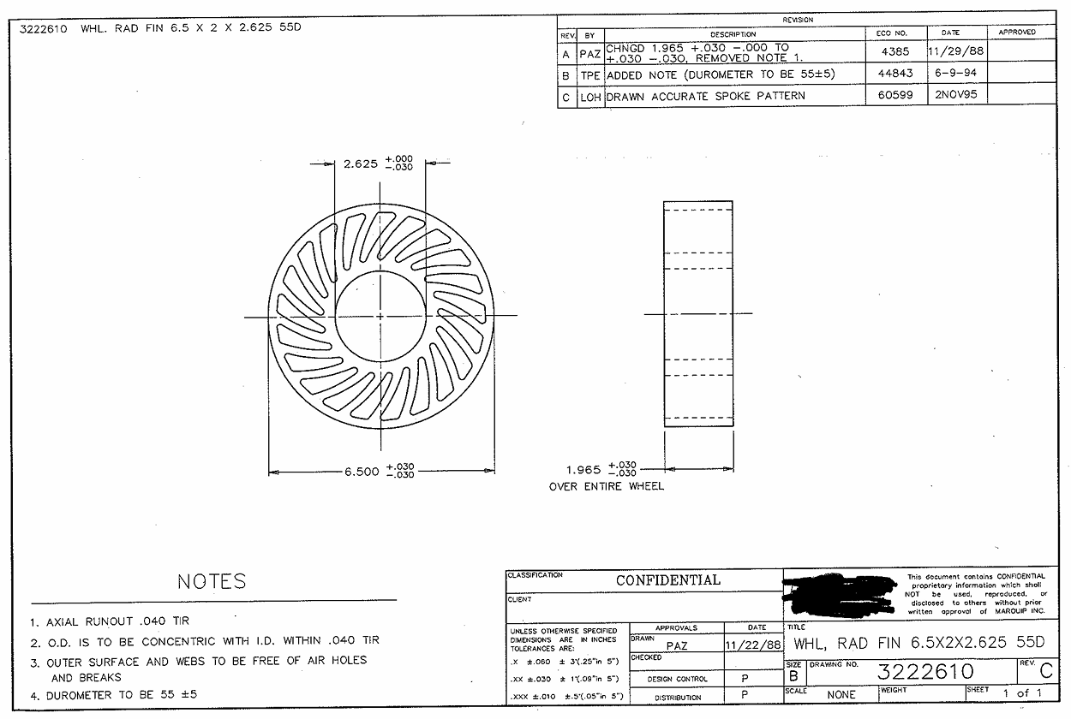

2

1

3

4

Tolerance Table
